D1
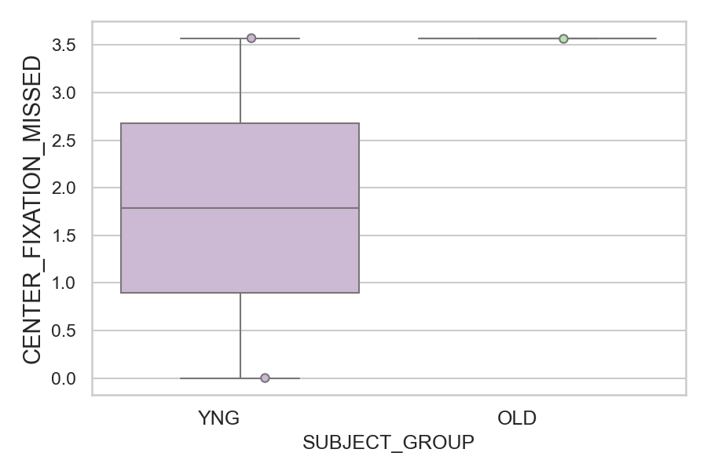
Total number of trials where center fixation was not accepted (too far from the center) (percentage)
SUBJECT_NAME | SUBJECT_GROUP | NUMBER_OF_TRIALS_WITH_CENTER_FIXATION_MISSING | TOTAL_NUMBER_OF_TRIALS | SUBJECT_AGE | VALUE
AW001CG | YNG | 1 | 28 | 19 | 3.5714285714
CP001CTA | OLD | 1 | 28 | 65 | 3.5714285714
AW002AF | YNG | 0 | 28 | 19 | 0

D1 (types)
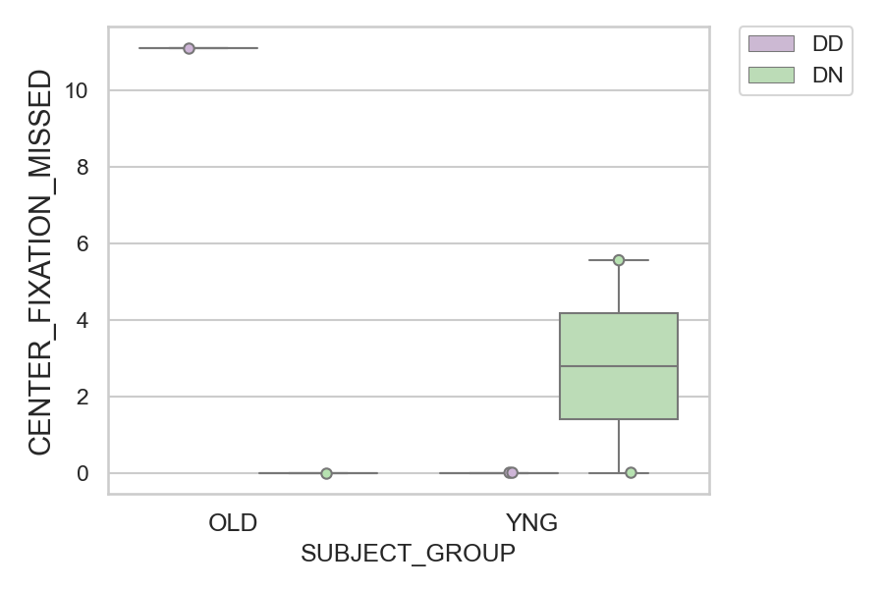
Total number of trials where center fixation was not accepted (too far from the center) (percentage)
SUBJECT_NAME | SUBJECT_GROUP | CONDITION_APPEARANCE | NUMBER_OF_TRIALS_WITH_CENTER_FIXATION_MISSING | TOTAL_NUMBER_OF_TRIALS | SUBJECT_AGE | VALUE
CP001CTA | OLD | DD | 1 | 9 | 65 | 11.111111111
AW001CG | YNG | DN | 1 | 18 | 19 | 5.5555555556
AW001CG | YNG | DD | 0 | 10 | 19 | 0
AW002AF | YNG | DD | 0 | 9 | 19 | 0
AW002AF | YNG | DN | 0 | 19 | 19 | 0
CP001CTA | OLD | DN | 0 | 19 | 65 | 0

